SCRIPT
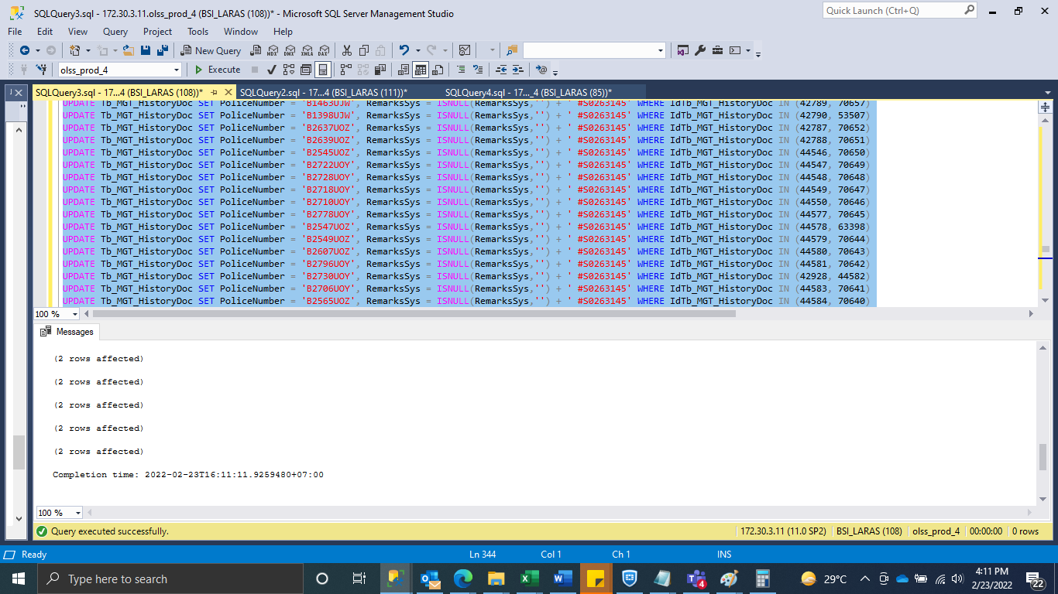

UPDATE Tb_MGT_HistoryDoc SET PoliceNumber = 'B1463UJW', RemarksSys = ISNULL(RemarksSys,'') + ' #S0263145' WHERE IdTb_MGT_HistoryDoc IN (42789, 70657)
UPDATE Tb_MGT_HistoryDoc SET PoliceNumber = 'B1398UJW', RemarksSys = ISNULL(RemarksSys,'') + ' #S0263145' WHERE IdTb_MGT_HistoryDoc IN (42790, 53507)
UPDATE Tb_MGT_HistoryDoc SET PoliceNumber = 'B2637UOZ', RemarksSys = ISNULL(RemarksSys,'') + ' #S0263145' WHERE IdTb_MGT_HistoryDoc IN (42787, 70652)
UPDATE Tb_MGT_HistoryDoc SET PoliceNumber = 'B2639UOZ', RemarksSys = ISNULL(RemarksSys,'') + ' #S0263145' WHERE IdTb_MGT_HistoryDoc IN (42788, 70651)
UPDATE Tb_MGT_HistoryDoc SET PoliceNumber = 'B2545UOZ', RemarksSys = ISNULL(RemarksSys,'') + ' #S0263145' WHERE IdTb_MGT_HistoryDoc IN (44546, 70650)
UPDATE Tb_MGT_HistoryDoc SET PoliceNumber = 'B2722UOY', RemarksSys = ISNULL(RemarksSys,'') + ' #S0263145' WHERE IdTb_MGT_HistoryDoc IN (44547, 70649)
UPDATE Tb_MGT_HistoryDoc SET PoliceNumber = 'B2728UOY', RemarksSys = ISNULL(RemarksSys,'') + ' #S0263145' WHERE IdTb_MGT_HistoryDoc IN (44548, 70648)
UPDATE Tb_MGT_HistoryDoc SET PoliceNumber = 'B2718UOY', RemarksSys = ISNULL(RemarksSys,'') + ' #S0263145' WHERE IdTb_MGT_HistoryDoc IN (44549, 70647)
UPDATE Tb_MGT_HistoryDoc SET PoliceNumber = 'B2710UOY', RemarksSys = ISNULL(RemarksSys,'') + ' #S0263145' WHERE IdTb_MGT_HistoryDoc IN (44550, 70646)
UPDATE Tb_MGT_HistoryDoc SET PoliceNumber = 'B2778UOY', RemarksSys = ISNULL(RemarksSys,'') + ' #S0263145' WHERE IdTb_MGT_HistoryDoc IN (44577, 70645)
UPDATE Tb_MGT_HistoryDoc SET PoliceNumber = 'B2547UOZ', RemarksSys = ISNULL(RemarksSys,'') + ' #S0263145' WHERE IdTb_MGT_HistoryDoc IN (44578, 63398)
UPDATE Tb_MGT_HistoryDoc SET PoliceNumber = 'B2549UOZ', RemarksSys = ISNULL(RemarksSys,'') + ' #S0263145' WHERE IdTb_MGT_HistoryDoc IN (44579, 70644)
UPDATE Tb_MGT_HistoryDoc SET PoliceNumber = 'B2607UOZ', RemarksSys = ISNULL(RemarksSys,'') + ' #S0263145' WHERE IdTb_MGT_HistoryDoc IN (44580, 70643)
UPDATE Tb_MGT_HistoryDoc SET PoliceNumber = 'B2796UOY', RemarksSys = ISNULL(RemarksSys,'') + ' #S0263145' WHERE IdTb_MGT_HistoryDoc IN (44581, 70642)
UPDATE Tb_MGT_HistoryDoc SET PoliceNumber = 'B2730UOY', RemarksSys = ISNULL(RemarksSys,'') + ' #S0263145' WHERE IdTb_MGT_HistoryDoc IN (42928, 44582)
UPDATE Tb_MGT_HistoryDoc SET PoliceNumber = 'B2706UOY', RemarksSys = ISNULL(RemarksSys,'') + ' #S0263145' WHERE IdTb_MGT_HistoryDoc IN (44583, 70641)
UPDATE Tb_MGT_HistoryDoc SET PoliceNumber = 'B2565UOZ', RemarksSys = ISNULL(RemarksSys,'') + ' #S0263145' WHERE IdTb_MGT_HistoryDoc IN (44584, 70640)
UPDATE Tb_MGT_HistoryDoc SET PoliceNumber = 'B2559UOZ', RemarksSys = ISNULL(RemarksSys,'') + ' #S0263145' WHERE IdTb_MGT_HistoryDoc IN (44585, 70639)
UPDATE Tb_MGT_HistoryDoc SET PoliceNumber = 'B2531UOZ', RemarksSys = ISNULL(RemarksSys,'') + ' #S0263145' WHERE IdTb_MGT_HistoryDoc IN (44586, 70317)
UPDATE Tb_MGT_HistoryDoc SET PoliceNumber = 'B2750UOY', RemarksSys = ISNULL(RemarksSys,'') + ' #S0263145' WHERE IdTb_MGT_HistoryDoc IN (44587, 69939)
UPDATE Tb_MGT_HistoryDoc SET PoliceNumber = 'B2567UOZ', RemarksSys = ISNULL(RemarksSys,'') + ' #S0263145' WHERE IdTb_MGT_HistoryDoc IN (44588, 70316)
UPDATE Tb_MGT_HistoryDoc SET PoliceNumber = 'B2551UOZ', RemarksSys = ISNULL(RemarksSys,'') + ' #S0263145' WHERE IdTb_MGT_HistoryDoc IN (44591, 69947)
UPDATE Tb_MGT_HistoryDoc SET PoliceNumber = 'B2746UOY', RemarksSys = ISNULL(RemarksSys,'') + ' #S0263145' WHERE IdTb_MGT_HistoryDoc IN (44592, 69946)
UPDATE Tb_MGT_HistoryDoc SET PoliceNumber = 'B2513UOZ', RemarksSys = ISNULL(RemarksSys,'') + ' #S0263145' WHERE IdTb_MGT_HistoryDoc IN (44593, 69945)
UPDATE Tb_MGT_HistoryDoc SET PoliceNumber = 'B2726UOY', RemarksSys = ISNULL(RemarksSys,'') + ' #S0263145' WHERE IdTb_MGT_HistoryDoc IN (44594, 69944)
UPDATE Tb_MGT_HistoryDoc SET PoliceNumber = 'B2553UOZ', RemarksSys = ISNULL(RemarksSys,'') + ' #S0263145' WHERE IdTb_MGT_HistoryDoc IN (44595, 69943)
UPDATE Tb_MGT_HistoryDoc SET PoliceNumber = 'B2712UOY', RemarksSys = ISNULL(RemarksSys,'') + ' #S0263145' WHERE IdTb_MGT_HistoryDoc IN (44598, 69942)
UPDATE Tb_MGT_HistoryDoc SET PoliceNumber = 'B2798UOY', RemarksSys = ISNULL(RemarksSys,'') + ' #S0263145' WHERE IdTb_MGT_HistoryDoc IN (44599, 69941)
UPDATE Tb_MGT_HistoryDoc SET PoliceNumber = 'B2569UOZ', RemarksSys = ISNULL(RemarksSys,'') + ' #S0263145' WHERE IdTb_MGT_HistoryDoc IN (44600, 69940)

SS
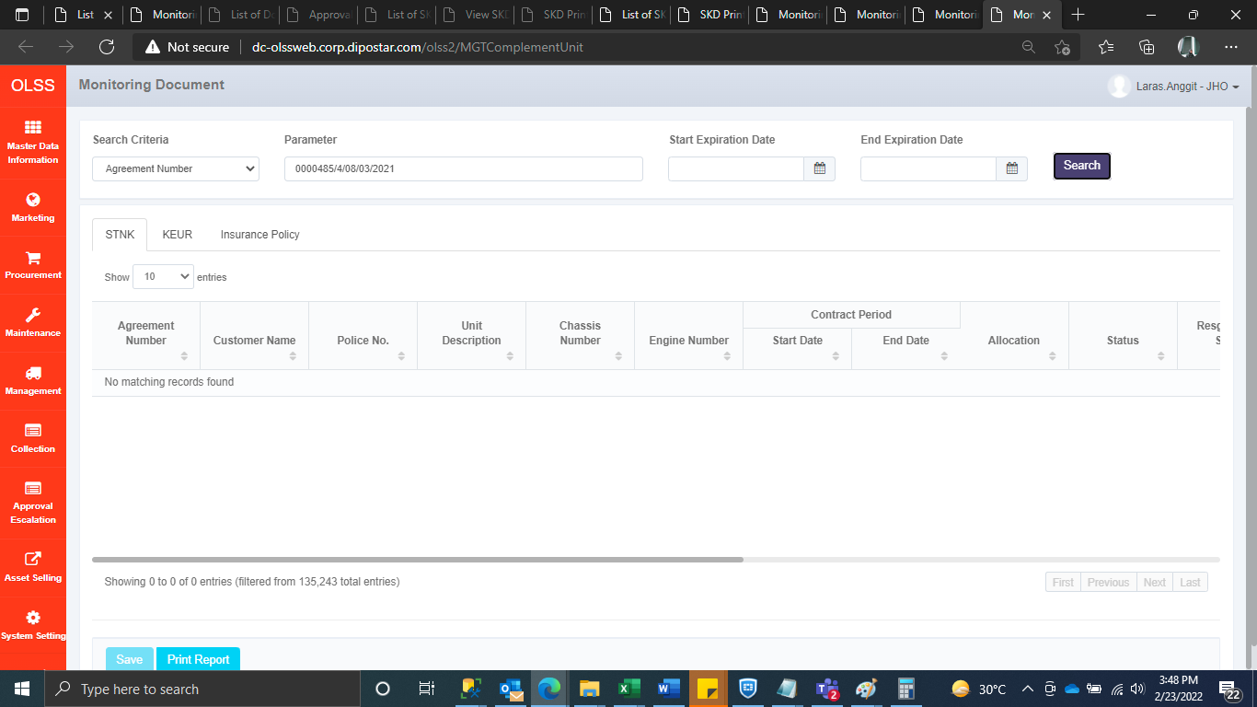
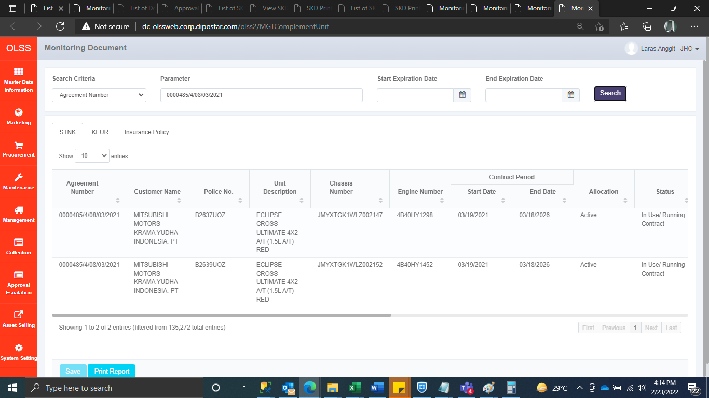
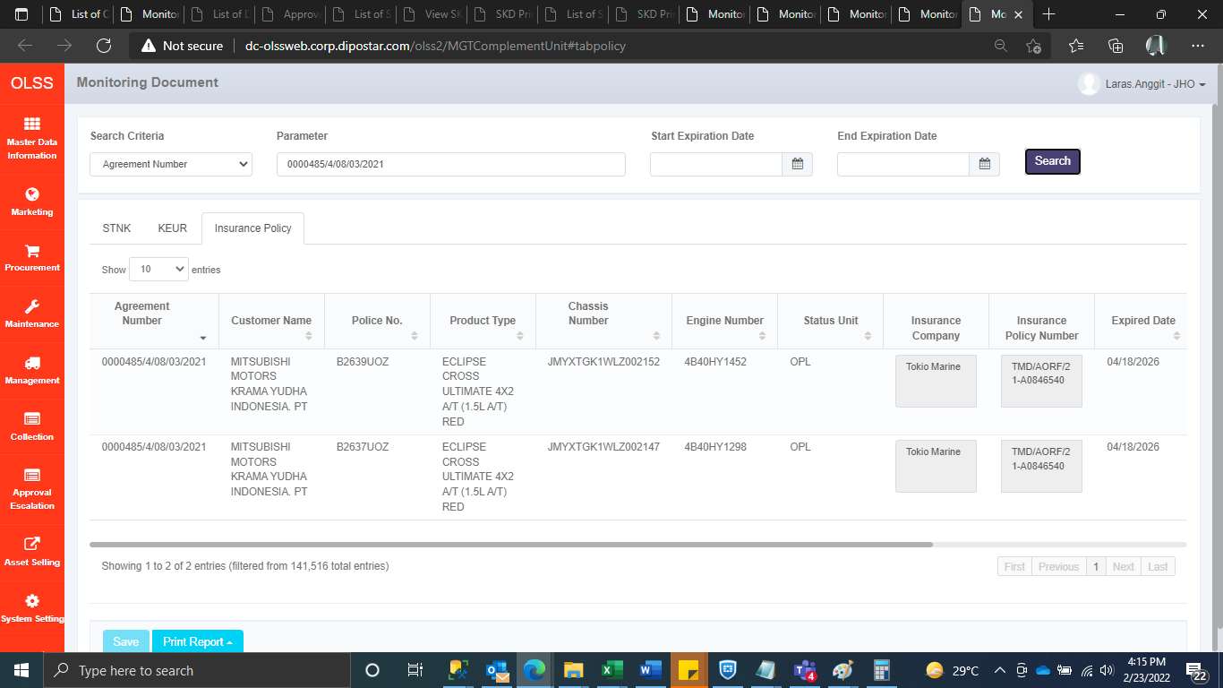





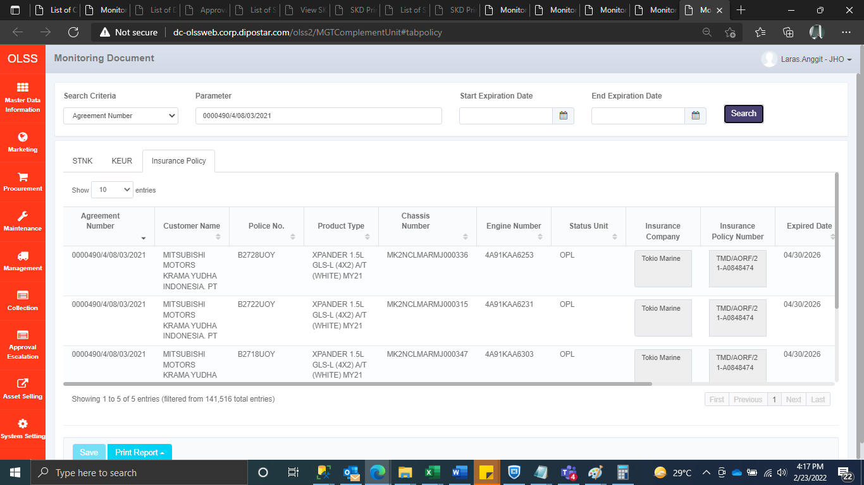
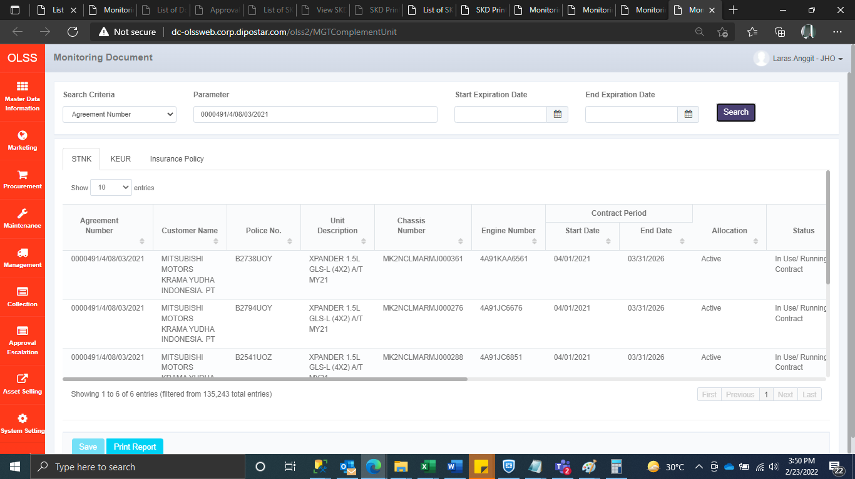

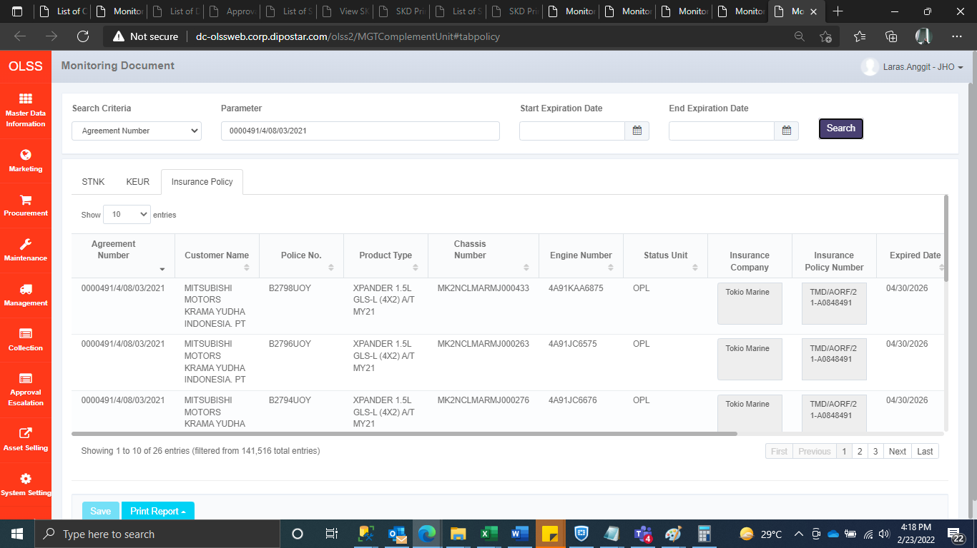
BEFORE | AFTER

